TestSummary
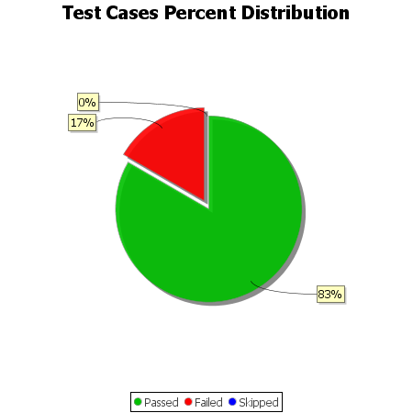
Total Test Cases | 12
Test Cases Passed | 10
Test Cases Failed | 2
Test Cases Skipped | 0

